Dashboard
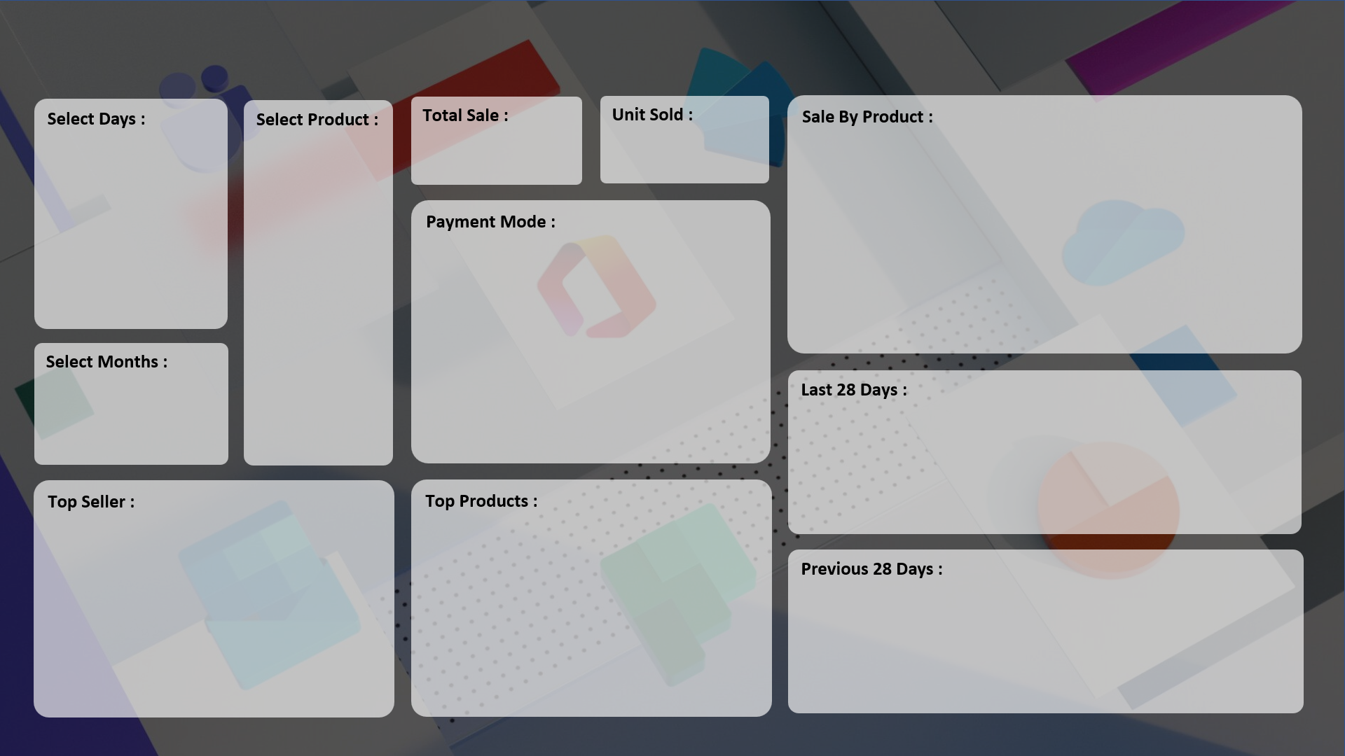
A.B.R. COMPUTER LEARNING CENTRE 2023
RAFAYAL NATHANAL

₹ 1,78,58,190
7,679
 | Total
HDD 256 GB | 1295
Keyboard | 1320
Monitor | 904
Mouse | 787
Printer | 928
Scanner | 856
SSD 256 GB | 1589

 | Total
Cash | 3974
Online | 3705

 | Total
15-Aug | 30
16-Aug | 32
17-Aug | 14
18-Aug | 41
19-Aug | 66
20-Aug | 74
21-Aug | 39
22-Aug | 45
23-Aug | 80
24-Aug | 87
25-Aug | 104
26-Aug | 129
27-Aug | 127
28-Aug | 135
29-Aug | 141
30-Aug | 141
31-Aug | 150
01-Sep | 166
02-Sep | 181
03-Sep | 209
04-Sep | 181
05-Sep | 197
06-Sep | 199
07-Sep | 186
08-Sep | 209
09-Sep | 144
10-Sep | 275
11-Sep | 240

 | Total
ABC Traders | 1669
RG Store | 2151
CCC Mart | 2426
 | Total
HDD 256 GB | 1295
Keyboard | 1320
Monitor | 904
Mouse | 787
Printer | 928
Scanner | 856
SSD 256 GB | 1589

 | Total
18-Jul | 14
19-Jul | 18
20-Jul | 23
21-Jul | 23
22-Jul | 22
23-Jul | 14
24-Jul | 21
25-Jul | 21
26-Jul | 27
27-Jul | 19
28-Jul | 17
29-Jul | 14
30-Jul | 28
31-Jul | 24
01-Aug | 14
02-Aug | 19
03-Aug | 22
04-Aug | 26
05-Aug | 21
06-Aug | 14
07-Aug | 19
08-Aug | 23
09-Aug | 28
10-Aug | 14
11-Aug | 18
12-Aug | 22
13-Aug | 23
14-Aug | 22

